Table 1
REKAPITULASI
PROYEK : Interior Kantor PERADI
LINGKUP PEKERJAAN : SUPPLY DAN INSTALL PEKERJAAN WORK STATION
LOKASI : Jalan Ahmad Yani - Jakarta Timur
TAHUN : 2023

Line Item | Item Code | Image | Description | Qty | Unit Price (IDR) |  | Total Price (IDR)
WORKSTATION
1 | L-SHAPE & WS 02 PAX MAGANG & PENGANGKATAN | 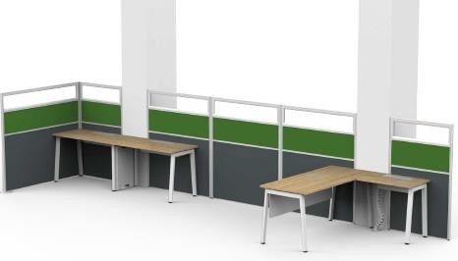 | THIN SYSTEM 2 PAX RECTANGULAR & 1PAX L-SHAPE WORKSTATION Table Dimension : 2 X W1200 x D600 x H750/1500 1 X W1600 x D1500 x H750/1500 Fixed Desk Desktop Finish : PB+HPL Arborite A7 Modesty Finish : PB+HPL Arborite A7 Understucture Finish : Metal Powder coated Frame Panel Finish : Anodized Panel Finish : Fabric Ateja/Clear Glass Cable Management Included | 1 | IDR |  | IDR | 0.00
 |  |  | Lead Time : 8 - 10 weeks Warranty: 5-years
2 | L-SHAPE & WS 02 PAX PERSONALIA | 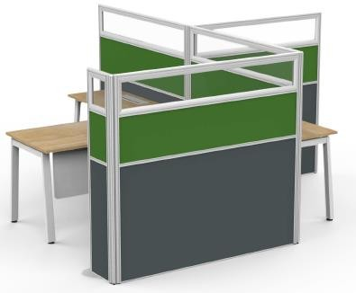 | THIN SYSTEM 2 PAX RECTANGULAR & 1PAX L-SHAPE WORKSTATION Table Dimension : 2 X W1200 x D600 x H750/1500 1 X W1600 x D1500 x H750/1500 Fixed Desk Desktop Finish : PB+HPL Arborite A7 Modesty Finish : PB+HPL Arborite A7 Understucture Finish : Metal Powder coated Frame Panel Finish : Anodized Panel Finish : Fabric Ateja/Clear Glass Cable Management Included | 1 | IDR |  | IDR | 0.00
 |  |  | Lead Time : 8 - 10 weeks Warranty: 5-years
3 | L-SHAPE & WS 05 PAX MAGANG & PENGANGKATAN | 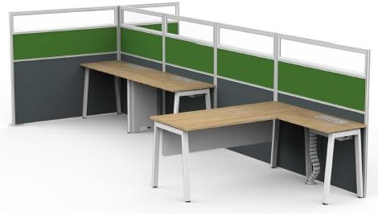 | THIN SYSTEM 5 PAX RECTANGULAR & 1PAX L-SHAPE WORKSTATION Table Dimension : 5 X W1200 x D600 x H750/1500 1 X W1600 x D1500 x H750/1500 Fixed Desk Desktop Finish : PB+HPL Arborite A7 Modesty Finish : PB+HPL Arborite A7 Understucture Finish : Metal Powder coated Frame Panel Finish : Anodized Panel Finish : Fabric Ateja/Clear Glass Cable Management Included | 1 | IDR |  | IDR | 0.00
 |  |  | Lead Time : 8 - 10 weeks Warranty: 5-years
 |  |  |  |  |  | Total | IDR | 0.00

Table 2
REKAPITULASI
PROYEK : Interior Kantor PERADI
LINGKUP PEKERJAAN : SUPPLY DAN INSTALL PEKERJAAN WORK STATION
LOKASI : Jalan Ahmad Yani jakarta Timur
TAHUN : 2023

Line Item | Item Code | Image | Description | Qty | Unit Price (IDR) |  | Total Price (IDR)
4 | L-SHAPE 01 PAX PKPA, SERTIFIKASI & PENDAFTARAN | 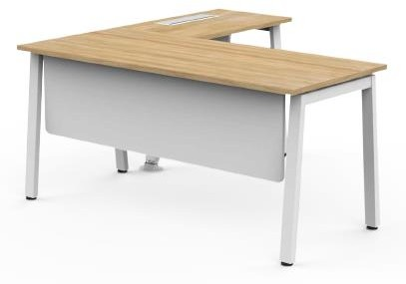 | XD SYSTEM 1PAX L-SHAPE WORKSTATION Table Dimension : 1 X W1600 x D700 x H750 Return Dimension : 1 X W800 x D500 x H750 Fixed Desk Desktop Finish : PB+HPL Arborite A7 Modesty Finish : PB+HPL Arborite A7 Understucture Finish : Metal Powder coated Cable Management Included Lead Time : 8 - 10 weeks Warranty: 5-years | 1 | IDR |  | IDR | 0.00
5 | PANEL PARTISI | 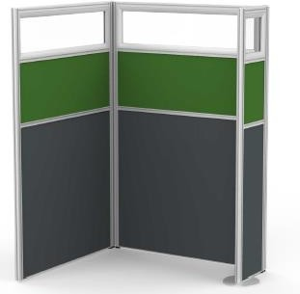 | THIN SYSTEM U-SHAPE PANEL SYSTEM Panel Dimension : W300 x D30 x 1500 W911 x D30 x 1500 W1000 x D30 x 1500 Overall Dimension : W1060 x D941/330x H1500 Frame Panel Finish : Anodized Panel Finish : Fabric Ateja/Clear Glass Cable Management Included Lead Time : 8 - 10 weeks Warranty: 5-years | 1 | IDR |  | IDR | 0.00
6 | WS 02 PAX KEANGGOTAAN | 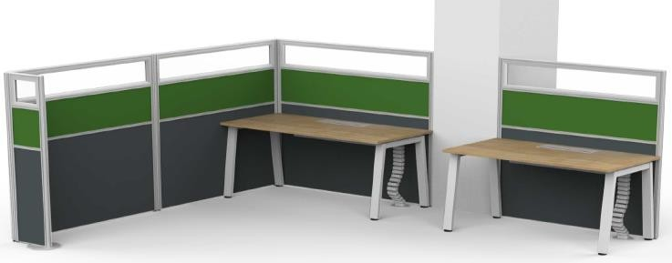 | THIN SYSTEM 2 PAX RECTANGULAR WORKSTATION Table Dimension : 2 X W1200 x D600 x H750/1500 Fixed Desk Desktop Finish : PB+HPL Arborite A7 Understucture Finish : Metal Powder coated Frame Panel Finish : Anodized Panel Finish : Fabric Ateja/Clear Glass Cable Management Included Lead Time : 8 - 10 weeks Warranty: 5-years | 1 | IDR |  | IDR | 0.00
 |  |  |  |  |  | Total | IDR | 0.00

Table 3
REKAPITULASI
PROYEK : Interior Kantor PERADI
LINGKUP PEKERJAAN : SUPPLY DAN INSTALL PEKERJAAN WORK STATION
LOKASI : Jalan Ahmad Yani jakarta Timur
TAHUN : 2023

Line Item | Item Code |  | Description | Qty | Unit Price (IDR) |  | Total Price (IDR)
7 | WS 02 PAX STAFF PKPA, SERTIFIKASI & PENDAFTARAN | 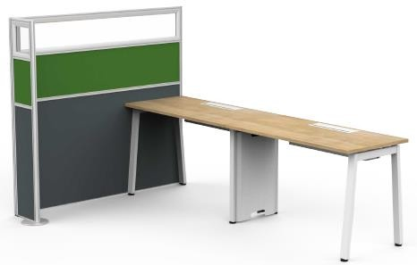 | THIN SYSTEM 2 PAX RECTANGULAR WORKSTATION Table Dimension : 2 X W1200 x D600 x H750/1500 Fixed Desk Desktop Finish : PB+HPL Arborite A7 Modesty Finish : PB+HPL Arborite A7 Understucture Finish : Metal Powder coated Frame Panel Finish : Anodized Panel Finish : Fabric Ateja/Clear Glass Cable Management Included Lead Time : 8 - 10 weeks Warranty: 5-years | 1 |  |  | IDR
8 | WS 02 PAX STAFF | 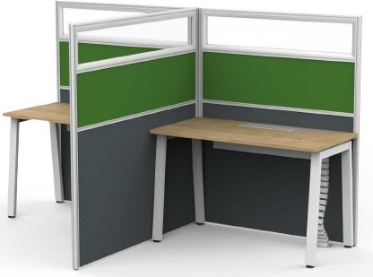 | THIN SYSTEM 2 PAX RECTANGULAR WORKSTATION Table Dimension : 2 X W1200 x D600 x H750/1500 Fixed Desk Desktop Finish : PB+HPL Arborite A7 Modesty Finish : PB+HPL Arborite A7 Understucture Finish : Metal Powder coated Frame Panel Finish : Anodized Panel Finish : Fabric Ateja/Clear Glass Cable Management Included Lead Time : 8 - 10 weeks Warranty: 5-years | 1 |  |  | IDR
9 | WS 04 PAX STAFF | 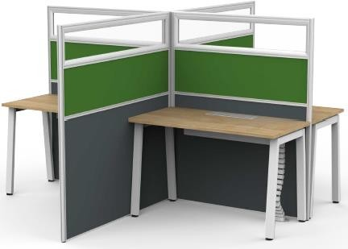 | THIN SYSTEM 4 PAX RECTANGULAR WORKSTATION Table Dimension : 4 X W1200 x D600 x H750/1500 Fixed Desk Desktop Finish : PB+HPL Arborite A7 Modesty Finish : PB+HPL Arborite A7 Understucture Finish : Metal Powder coated Frame Panel Finish : Anodized Panel Finish : Fabric Ateja/Clear Glass Cable Management Included Lead Time : 8 - 10 weeks Warranty: 5-years | 1 |  |  | IDR
10 | Meja Manager Keuangan |  |  | 1 |  |  | IDR | 0.00
11 | Meja Staff Keuangan |  |  | 3 |  |  | IDR | 0.00
 |  |  |  |  |  | Total | IDR | 0.00
 |  |  |  |  |  | Jumlah Total | IDR | 0.00

